How to use this tool
National Safety and Quality Mental Health Standards for Community Managed Organisations

The Australian Commission on Safety and Quality in Health Care developed the monitoring tool as part of a suite of resources to assist service providers implement the National Safety and Quality Mental Health Standards for Community Managed Organisations. This monitoring tool allows service providers to track the progress of implementing each standard. It should be used together with the Guide for Service Providers. The use of this tool is optional, and it does not need to be provided to assessors as part of accreditation. Before you proceed, please enter your organisation's name in the space provided below:

Enter the name of service provider here (organisation name)

There are 11 worksheets in this workbook. Click on the hyperlinks below to navigate to the relevant worksheet:
How to use this tool (this worksheet)
Governance: Practice Governance Standard
Gov_EL: Evidence list worksheet for Practice Governance Standard
Gov_TL: Task list worksheet for Practice Governance Standard
Partnering: Partnering with Consumers, Families and Carers Standard
PwC_EL: Evidence list worksheet for Partnering with Consumers, Families and Carers Standard
PwC_TL: Task list worksheet for Partnering with Consumers, Families and Carers Standard
ModelOfCare: Practice Governance Standard
MoC_EL: Evidence list worksheet for Model of Care Standard
MoC_TL: Task list worksheet for Model of Care Standard
Overview of progress: Summary report

Alternatively, you may click on the tabs at the bottom of the page to go to each worksheet.

The three standards in the National Safety and Quality Mental Health Standards for Community Managed Organisations
There is a worksheet for each of the three National Safety and Quality Mental Health Standards for Community Managed Organisations. The worksheet includes columns for the actions, examples of evidence, performance rating, estimate of percentage complete, action plan or comments, responsible person or area, due date and priority rating. Below is a screenshot of the worksheet for the Practice Governance Standard:
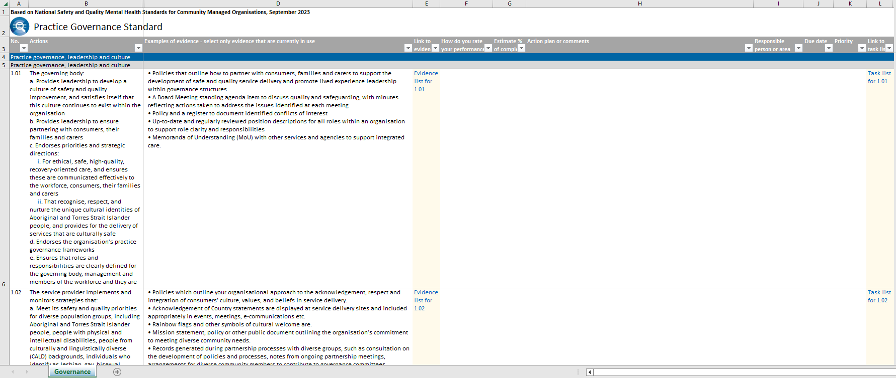

The column headings in the standards worksheets are as follows:  Actions (columns A and B) state the action number and requirements from the National Safety and Quality Mental Health Standards for Community Managed Organisations  Examples of evidence (column D) are given as a guide only. You do not need to produce all of the examples of evidence listed: you can produce one, some or none if you have other forms of evidence that demonstrates compliance with the action.  Link to evidence (column E) lists hyperlinks to the evidence list worksheet. Hyperlink cells are shaded with a pale yellow colour. There are two ways to update the evidence list: - Option 1: Examples of evidence column - Option 2: Evidence list worksheet
Option 1: Examples of evidence column You can delete the examples of evidence in the Examples of Evidence column (column D) and enter your updated evidence list. Type your evidence directly into the cell or, if you have an existing evidence list in a Word document, copy and paste the list into the tool. Remember to double-click on the cell before pasting your copied list to contain your update into a single cell. If you do not double-click on the cell before pasting the evidence list, the contents of other cells are overwritten. Option 2: Evidence list worksheet Use the hyperlinks in the Link to evidence column (column E) to navigate to the corresponding evidence list worksheet (EL tab name). The evidence list worksheet has the following columns: - No. (column B) lists the action numbers, which are hyperlinks to the standard worksheet. Hyperlink cells are shaded with a pale yellow colour. - Evidence (column C) is a free text column to list evidence. - Comments (column D) is another free text column to list additional information about the evidence, such as validity dates, or status and location of a document. Unlike the first option, you can list your evidence in separate rows. You can add more rows if needed. To do this, select the row/s below where you want the new row/s to appear, right click on your mouse and select the Insert Button. To remove rows that are no longer required, select the relevant row/s right click on the mouse and select the Delete Button. The advantage of listing evidence is separate cells is that you can assign hyperlinks. Hyperlinks allow you to quickly access information available in another file or on a web page.
To create a hyperlink, select the relevant cell, right click on your mouse and select the Hyperlink Button. In the Insert Hyperlink Dialogue Box, navigate and select the relevant document you want to link to. Notice that the contents of your cell have changed to a blue coloured font to show that is now a hyperlink. Click on the hyperlink to open the linked file. You can also hyperlink to a web page, such as your organisation's intranet page. In the Insert Hyperlink Dialogue Box, enter the web address in the Address Field located at the bottom of the dialogue box.

 How do you rate your performance (column F) requires you to determine whether your organisation meets the requirement of the actions. The available evidence should be able to assist you with determining the ratings in this column. Entries in this column are limited to the following: - Met - Mostly met with some exceptions - Partially met - Substantially not met For some actions, 'not applicable' is an option. Actions where not applicable is an option displays a comment box stating the condition when the action may not be applicable. You can type your rating in this column or use the drop-down list. If there is a spelling mistake or you typed an entry that is not available, an error message shows that the entry is not valid.  Estimate of percentage complete (column G) is linked with entries in the How do you rate your performance column (column F). A met rating is equivalent to 100%, mostly met with some exceptions - 80%, partially met - 50% and substantially not met - 20%. For some actions that can be rated not applicable, n/a is displayed.

 Action plan or comments (column H) is a free text column that allows you to note any tasks that may be needed to complete the action or to include the reasons why an action is rated not applicable.  Responsible person or area (column I) is another free text column that allows you to add the name of the person or group of people with responsibility for ensuring that action is taken.  Due date (column J) allows you to add a target date of completion for the action. Entries in this column are limited to dates only.  Priority (column K) allows you to allocate a priority rating to a task. Entries in this column are limited to the following: - High - Medium - Low  Link to task list (column L) lists hyperlinks to the task list worksheet. Hyperlink cells are shaded with a pale yellow colour.

There are two ways to update the task list: - Option 1: Use the available columns in the standard worksheet - Option 2: Use the task list worksheet

Option 1: Use the available columns in the standard worksheet Columns H to K in the standard worksheet relates to the task list to meet the requirements of the actions. The disadvantage of listing tasks in the standard worksheet is that you are limited to updating information within a single row. Option 2: Use the task list worksheet Hide columns H to K in the standard worksheet by clicking on the Hide Button located above column L. Use the hyperlinks in the Link to task list column (column L) to navigate to the corresponding task list worksheet (TL tab name). The task list worksheet has the following columns: - No. (column B) lists the action numbers, which are hyperlinks to the standard worksheet. Hyperlink cells are shaded with a pale yellow colour. - Action plan or comments (column C) is the equivalent of column H in the standard worksheet. - Responsible person or area (column D) is the equivalent of column I in the standard worksheet. - Due date (column E) is the equivalent of column J in the standard worksheet. - Priority (column F) is the equivalent of column K in the standard worksheet. Unlike the first option, you can list tasks in separate rows. You can add more rows if needed. To do this, select the row/s below where you want the new row/s to appear, right click on your mouse and select the Insert Button. To remove rows that are no longer required, select the relevant row/s right click on the mouse and select the Delete Button.

The overview of progress worksheet
This worksheet provides a summary report on the percentage completion for each action. You do not need to enter any information in this worksheet. The worksheet is password protected. The 'Overview of Progress' worksheet is populated automatically based on the entries from the individual National Safety and Quality Mental Health Standards for Community Managed Organisations worksheets. The buttons located at the top of the worksheet helps with navigating to the corresponding standard. Each standard has a table of actions. The table has the following headings:  Action (column B) lists the action numbers, which are hyperlinks to the standard worksheet.  % column (columns C to N) shows the percentage of completion for each action in figures (column C) and as traffic-light colour shaded cells (columns D to N). At the end of each standard table is a summary table which shows the number and percentage of actions met and not met; and not applicable for some standards. A few summary tables are located at the right side of the worksheet:  Number of actions updated against the number of actions in the National Safety and Quality Mental Health Standards for Community Managed Organisations  Summary of actions met, not met and not applicable in raw figures and in percent figures

Things that you need to avoid doing in the monitoring tool
 Do not delete worksheets. You can hide nonessential worksheets.  Do not rename worksheets. This breaks hyperlinks.  Do not delete rows for hyperlinked cells shaded with a pale yellow colour. This also breaks hyperlinks.  Do not delete hyperlinks. Again, this breaks hyperlinks from that cell.  Do not sort columns. It affects the placement of hyperlinks.  Try not to overwrite the formula in the estimate percentage complete column. This happens when you manually change the percent value in that column. When this happens, the column is no longer linked with the 'How do you rate your performance?' column.  Do not forget to backup your monitoring tool.

